OwnerName
Owner Info
Owner ID:
Owner Name:
Address:
Phone No:
e-Mail ID:
Contact Person Name:
Contact Person Phone No:
Status: | Active

New
Save
Update
Delete
Close

SisterCompanyInfo
Company Info
Company ID:
Company Name:
Address:
Phone No:
e-Mail ID:
Contact Person Name:
Contact Person Phone No:
Status: | Active

New
Save
Update
Delete
Close

CustomerInfo_Concord
Customer info for a Market Owner
 |  | Should be viewable as TAB | Black color should be added
Customer Info panel |  |  | Red color already exists
BASIC Info |  | Contract Info |  | Sales/ Rental Info
Customer ID: | DH-000001 | Contract No: | 53553 | Prior Monthly Rent: | 40,000
Shop No: | 001 | Contract Date: | 25-Dec-19 | Current Monthly Rent: | 75,000 | Auto Invoice
Shop Name: | Time Zone | Contract Start Date: | 1-Jan-20 | Rate effective from | 1-Jan-20
Owner Name: | Mr. Rahim | Renewal Date: | 1-Jan-21 | Rate effective to | 1-Jan-21
Owner Contact No: | 01711000000 | Contract Closure Date: | 30-Sep-22 | Service Charges per sft: | 40.30 | Auto Invoice
Owner NID: | 12345678912 | Advance Deposit: | 500,000 | SC Fine after due date | 500
Owner Address: | Gulshan, Dhaka | Security Deposit: | 2,000,000 | Interest Rate on SC | 6%, 12%, 18%, 24%
Region | Dhaka | Monthly adj. of Advance Deposit | 20,000 | SC Rate effective from | 1-Jan-20
Trade License No: | C-123456 | Adj. effective from | 1-Jan-20 | SC Rate effective to | 1-Jan-21
Incorporation No (if any): | 55345242 | Adj. closure date | 1-Jan-21 | Food Court SC: | 5,000 | Auto Invoice
e-TIN: | 111111111111 | Area (sft) | 1,500 | Rate effective from | 1-Jan-20
BIN | 2222222222-1234 | Rate/ sft | 50 | Rate effective to | 1-Jan-21
Any VAT Exemption | No | Billing System | Monthly | Special SC: | 5,000 | Auto Invoice
Contact Person Name: | Mr. Jamal | Credit Period | 1 Month | Rate effective from | 1-Jan-20
Designation: | Manager | Owner Name: | ABC | Rate effective to | 1-Jan-21
Contact No: | 01911000000 | Assigned Ledger | Shop A/R | Advertisement: | 5,000 | Auto Invoice
e-Mail ID | test@gmail.com | Opening Balance | 5,000 | Rate effective from | 1-Jan-20
Customer Remarks | Very Good in payment |  |  | Rate effective to | 1-Jan-21
Black Listed | No |  |  | Electricity Rate per Unit |  | Auto Invoice
Current Status: | Active |  |  | Electricity Meter No. | 14569447865
New
Save
Update
Delete
Close
 |  |  |  | Electricity Meter Reading OP Bal. | 205
 |  |  |  | Electricity Fine Rate | 10%

Other info should be kept
Status | Active
 | Inactive
 |  |  |  |  |  |  | Sales/ Rental Info
Owner Names: | CC |  |  |  |  |  | Prior Monthly Rent (Tk.)
 | ABC |  |  |  |  |  | 5,000
 | BPK |  |  |  |  |  | Current Monthly Rent (Tk.)
 |  |  |  |  |  |  | 7,500
Black Listed Status | Yes |  |  |  |  |  | Rate Effective From | Rate Effective To
 | No |  |  |  |  |  | 1-Nov-21 | 1-Oct-22
 |  |  |  |  |  |  | Service Charges per sft (Tk.) | SC Fine after due date (Tk.)
 |  |  |  |  |  |  | 50 | 500
 |  |  |  |  |  |  | SC Rate Effective From | SC Rate Effective To
 |  |  |  |  |  |  | 1-Nov-21 | 1-Oct-22
 |  |  |  |  |  |  | Interest Rate on SC (%)
 |  |  |  |  |  |  | 10
 |  |  |  |  |  |  | Food Court SC (Tk.)
 |  |  |  |  |  |  | 1000
 |  |  |  |  |  |  | Rate Effective From | Rate Effective To
 |  |  |  |  |  |  | 1-Nov-21 | 1-Oct-22
 |  |  |  |  |  |  | Special SC (Tk.)
 |  |  |  |  |  |  | 1500
 |  |  |  |  |  |  | Rate effective From | Rate effective to
 |  |  |  |  |  |  | 1-Nov-21 | 1-Oct-22
 |  |  |  |  |  |  | Advertisement (Tk.)

 |  |  |  |  |  |  | Rate Effective From | Rate Effective To
 |  |  |  |  |  |  | 1-Nov-21 | 1-Oct-22
 |  |  |  |  |  |  | Electricity Meter No | Electricity Meter Reading OP Bal.

 |  |  |  |  |  |  | Electricity Rate per Unit (Tk.) | Electricity Fine Rate (%)

Vendor Info
Vendor/ Supplier info Panel |  | New should be implemented

Add New
Update
Delete
Close
Vendor ID: | 5353
Vendor Name: | ABC Ltd.
Basic Info | Bank Info | Regulatory Info | Tax-VAT Info | Supply/Product Info
Address: | Mode of Payment: Cash/EFT/BEFTN | Trade License No: | e-TIN: | Product/Service Name:
Area: | Bank Account Title: | Validity: | Tax Exemption: Yes/ No | Brand Name-1:
Region: | Bank Name: | Incorporation No (if any): | TDS Section: | Brand Name-2:
Owner Name: | Branch Name: |  | TDS Rate: | Brand Name-3:
Owner Contact No: | Account Number: |  | BIN/VAT Reg: | Brand Name-4:
Owner e-Mail: | Routing Number: |  | Service Code: | Brand Name-5:
Owner NID: |  |  | VAT Rate: (auto from VAT-Tax Info panel)
Contact Person Name:
Contact No:
e-Mail ID:
Supplier Type:
Assigned Ledger | WASA
Opening Balance | 5000
Status: Active/ Inactive
Joining Date
Credit Limit
Payment Hold | No

IncomeEntryForm_Shop
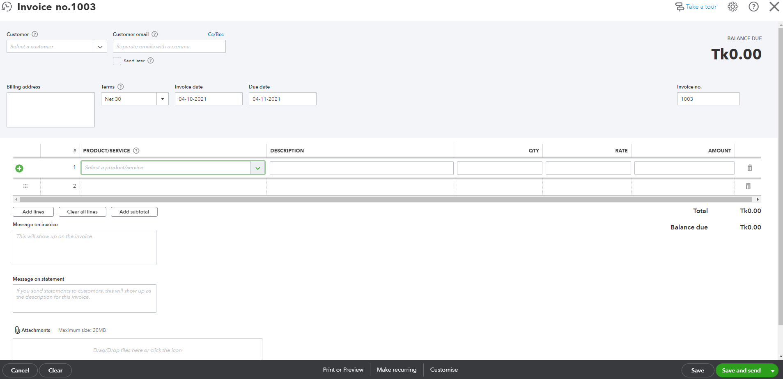
Income Entry Panel |  |  |  |  |  | Cash Collection Entry Panel (for Shop rental business)
Shop No: |  | E-mail ID: |  | Button for send mail |  | Shop No: |  |  | Balance Due: |  | Invoice Status
Shop Name: |  | Credit Terms |  | Balance Due: |  | Shop Name:
Invoice No: | (an invoice no will be generated automatically like: MMYY-ShopNo-00001-0000001) | Invoice Date |  |  |  | Invoice No: | (A list of outstanding invoices should be shown, whenever select any invoice then dues item of that invoice will be shown as follows) |  |  |  | Status: | Due | Date Range:_______to _________
Sales Person: |  | Due Date |  |  |  | Mode of Payment: | Standard Bank A/C-008 | 455856223 | Cheque Date
 |  |  |  |  |  | Money Receipt No: | Auto generated no. will be created to give it to customer (but keep it optional)
Income Head | Month | Amount (Tk.) |  |  | SL | Collection Head | Month | Bill Amount (Tk.) | Dues Amount (Tk.) | Payment Amount (Tk.) | Dues list for all Customers
Rent | Feb 2021 | 50,000 |  |  |  | Rent | Feb 2021 | 50,000 | 50,000 | 50,000 | SL. No | Name of the Customer | Total Due (Tk.) | Over Due (Tk.) | Show Button | Action
Service Charge | Feb 2021 | 5,000 |  |  |  | Service Charge | Feb 2021 | 5,000 | 5,000 |  | 1 | ABC Ltd. | 50,000 | 20,000 | Show list of invoices | Send dues statement over mail
Electricity | Jan 2021 | 2,000 |  |  |  | Electricity | Jan 2021 | 2,000 | 2,000 | 2,000 | 2 | ZXY Ltd. | 175,000 | - | Show list of invoices | Send dues statement over mail
Food Court SC | Feb 2021 | 1,000 |  |  |  | Food Court SC | Feb 2021 | 1,000 | 1,000 | 500 | Total |  | 225,000 | 20,000
Special SC | Feb 2021 | 5,000 |  |  |  | Special SC | Feb 2021 | 5,000 | 5,000 | 5,000
Advertisement | Feb 2021 | 500 |  |  |  | Advertisement | Feb 2021 | 500 | 500 |  | Paid list for all Customers
Water | Jan 2021 | 3,500 |  |  |  | Water | Jan 2021 | 3,500 | 3,500 |  | SL. No | Name of the Customer | Total Paid (Tk.) | Show Button
Fine | Jan 2021 | 700 |  |  |  | Fine | Jan 2021 | 700 | 700 |  | 1 | ABC Ltd. | 150,000 | Show list of invoices
Total |  | 67,700 |  |  |  | Sales VAT |  |  |  |  | 2 | ZXY Ltd. | 20,000 | Show list of invoices
Add: VAT | 15% | 10,155 |  |  |  | Total |  | 67,700 | 67,700 | 57,500 | Total |  | 170,000
Total |  | 77,855
Amount in word:
 |  |  |  |  |  | Amount in word: |  |  |  |  | When click show list of invoices then following list of a customer will show:
Save | Update | Delete | Close |  |  | Save | Update | Delete | Close
 |  |  |  |  |  | (This table will automatically load by invoice no selecting) |  |  |  |  | Name of the Customer
Whenever we save data then following journal will create: |  |  |  |  |  | (Whenever we save any payment by cheque no then related data will be saved and will show if we select cheque no) |  |  |  |  | Address: |  |  | Credit Limit | 50,000
 |  |  |  |  |  |  |  |  |  |  | Contact Person Name |  |  | Over Limit | (5,000)
Particulars |  | Debit | Credit |  |  | Whenever we save data then following journal will create: |  |  |  |  | Contact Number
Accounts Receivable |  | 77,855 |  |  |  |  |  |  |  |  | e-Mail ID
 |  |  |  |  |  |  |  |  |  |  | Sl. No | Invoice No | Invoice Issue Date | Due on | Due | Over Due
Rent |  |  | 50,000 |  |  | Particulars |  | Debit | Credit |  | 1 | 0721-0005-00001-0000001 | 15-Jul-21 | 14-Aug-21 | 30,000 | 30,000
Service Charge |  |  | 5,000 |  |  | Standard Bank A/C-008 |  | 57,500 |  |  | 2 | 0921-0005-00002-0000005 | 27-Sep-21 | 27-Oct-21 | 25,000
Electricity |  |  | 2,000 |  |  | Accounts Receivable |  |  | 57,500 |  | Total |  |  |  | 55,000 | 30,000
Food Court SC |  |  | 1,000
Special SC |  |  | 5,000 |  |  |  |  |  |  |  | When we click on invoice no then invoice details will be shown
Advertisement |  |  | 500 |  |  | Total |  | 57,500 | 57,500
Water |  |  | 3,500
Fine |  |  | 700
Sales VAT Payable A/C |  |  | 10,155 |  |  | Panel of the mode of collection by Cheque
Total |  | 77,855 | 77,855 |  |  | Mode of Collection: | Cheque | Collection Date: | 2-Oct-21
 |  |  |  |  |  | Deposit Account Ledger: | List of Bank A/C Ledger Name
 |  |  |  |  |  | Cheque Bank Name: | Standard Bank Ltd. | Cheque No: | 464633131
 |  |  |  |  |  | Cheque Date: | 2-Oct-21 | Accumulated Dues: | 55,000
This list will come from Chart of Ledger
Rent |  |  |  |  |  | Panel of the mode of collection by Cash
Service Charge |  |  |  |  |  | Mode of Collection: | Cash | Collection Date: | 2-Oct-21
Electricity |  |  |  |  |  |  |  | Accumulated Dues: | 55,000
Food Court SC
Special SC |  |  |  |  |  | Panel of the mode of collection by Tax Challan
Advertisement |  |  |  |  |  | Mode of Collection: | TDS Challan | Collection Date: | 2-Oct-21
Water |  |  |  |  |  | TDS Certificate No: | manual input | Certificate Date: | manual input
Fine |  |  |  |  |  | TR Challan No: | manual input | TR Challan Date: | manual input
 |  |  |  |  |  | Challan Issuer Bank Name: | Sonali Bank Ltd. | Accumulated Dues: | 55,000

Months | Year | Period |  |  |  | Panel of the mode of collection by VAT Challan
Jan | 2021 | Jan 2021 |  |  |  | Mode of Collection: | VDS Challan | Collection Date: | 2-Oct-21
Feb | 2021 | Feb 2021 |  |  |  | VDS Certificate No: | manual input | Certificate Date: | manual input
Mar | 2021 | Mar 2021 |  |  |  | TR Challan No: | manual input | TR Challan Date: | manual input
Apr | 2021 | Apr 2021 |  |  |  | Challan Issuer Bank Name: | Sonali Bank Ltd. | Accumulated Dues: | 55,000
May | 2021 | May 2021
Jun | 2021 | Jun 2021
Jul | 2021 | Jul 2021
Aug | 2021 | Aug 2021
Sep | 2021 | Sep 2021
Oct | 2021 | Oct 2021
Nov | 2021 | Nov 2021
Dec | 2021 | Dec 2021

 |  |  |  |  |  |  |  |  |  |  | Paid
 |  |  |  |  |  |  |  |  |  |  | Due

 |  |  |  |  |  | Ledger Accounts (from chart of accounts:
 |  |  |  |  |  | Cash
 |  |  |  |  |  | Standard Bank A/C-008
 |  |  |  |  |  | Dhaka Bank A/C-002

TB
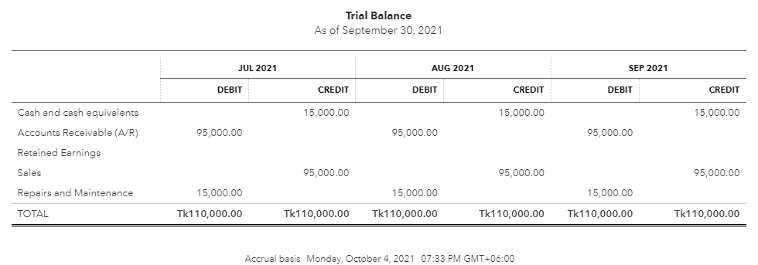
 | Company Name
 | Period:
 | Report Type: | Trial Balance

 | Display Column: | Total | Accounting Method: | Accrual

 | Monthly Trial Balance

Total
Monthly

Cash
Accrual

Trial Balance
Adjusted Trial Balance

 | On Total Trial Balance
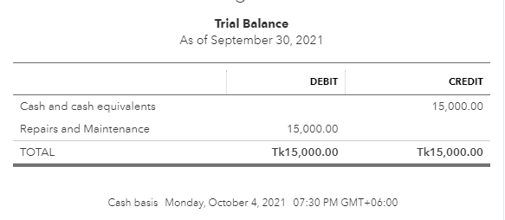

 | On Accrual Basis and on Total

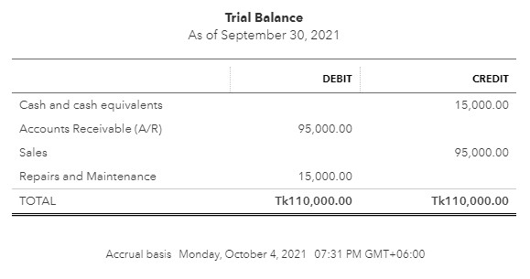

 | On Accrual Basis and on monthly basis

JVview
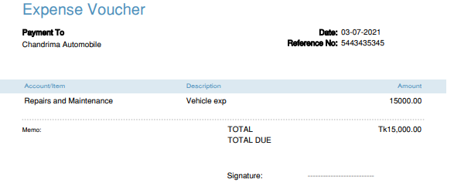
View of List of Journals

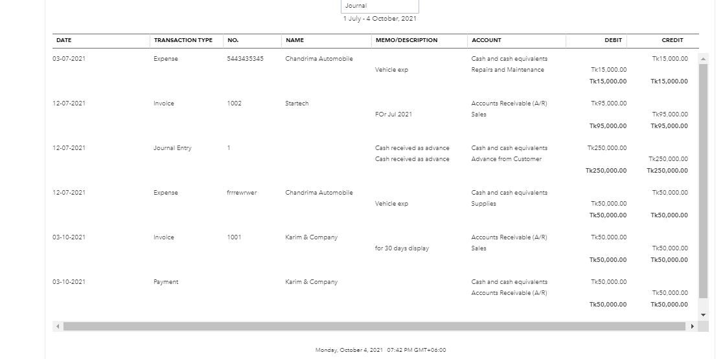

 | Edit View

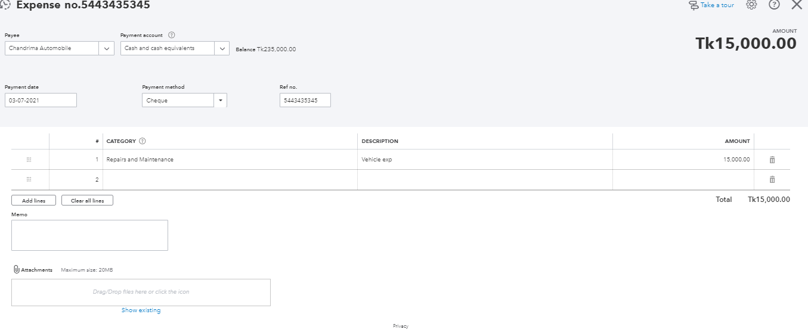

 | Print View

IS
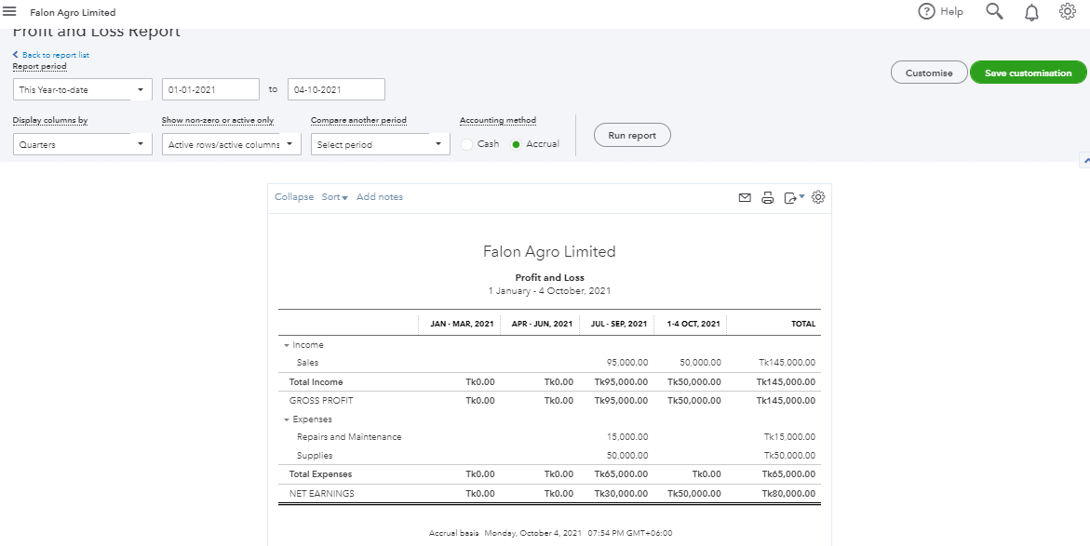
Income Statement on Total Only
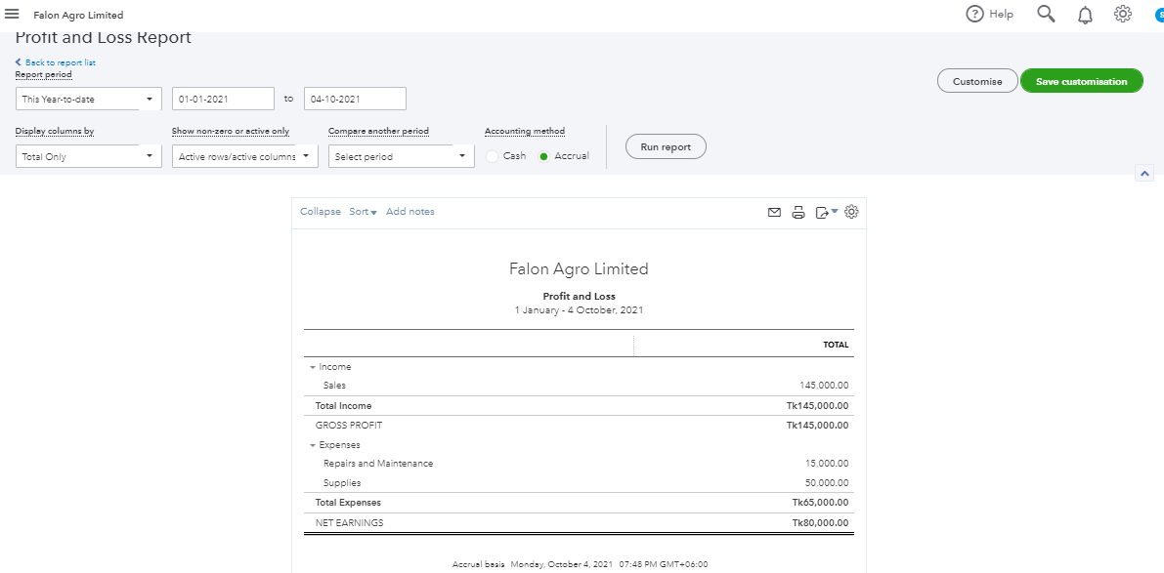

Income Statement as per Products/Services
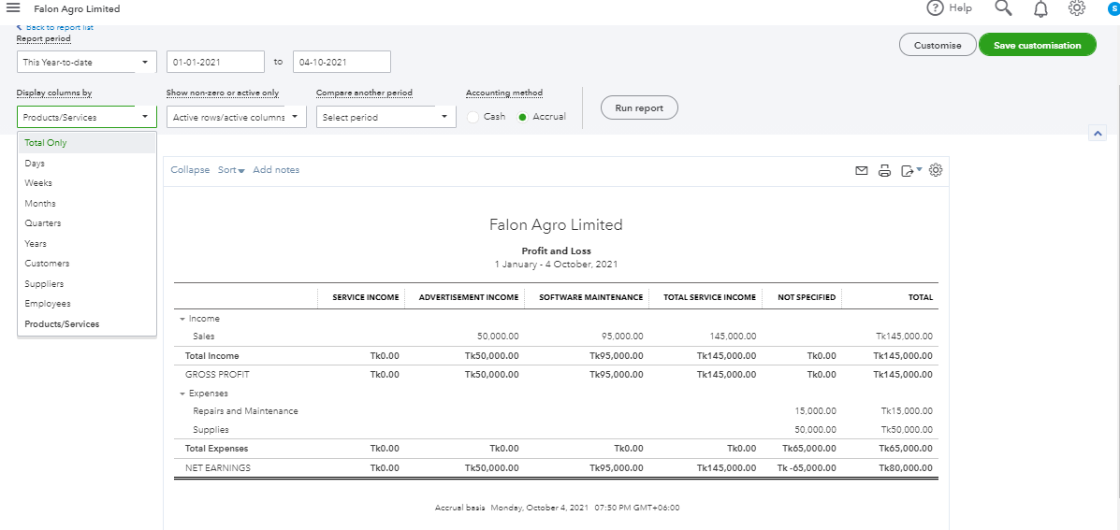

Monthly Income Statement
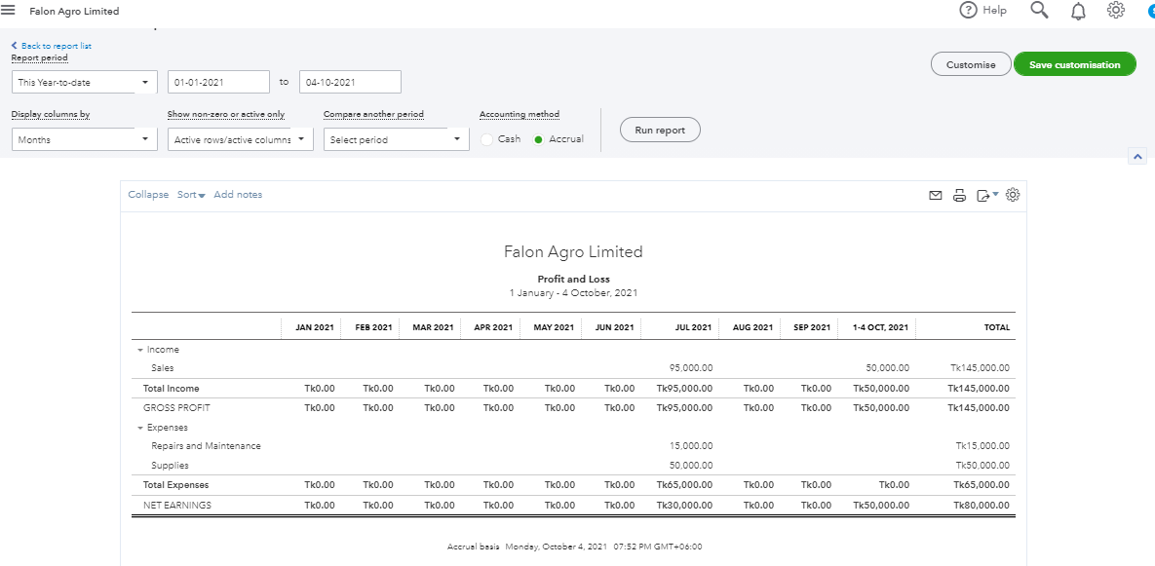

Quarterly Income Statement

BS
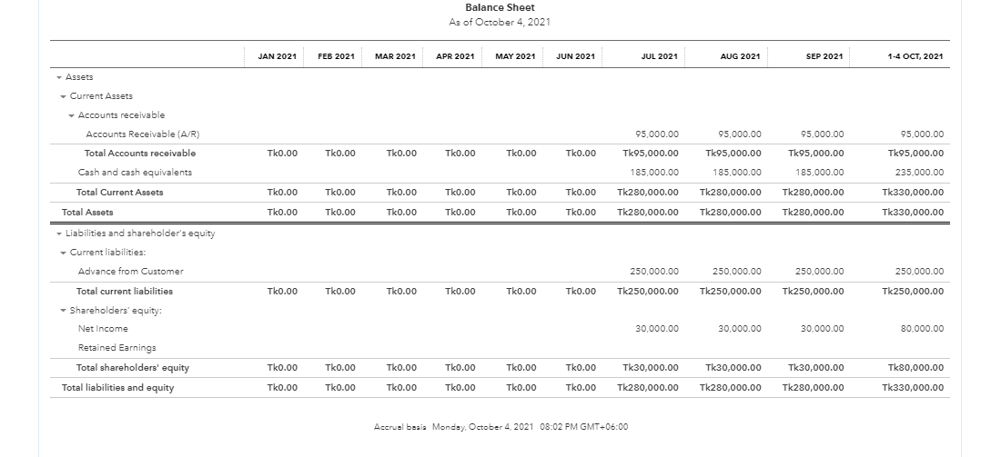
Balance Sheet on Total Only
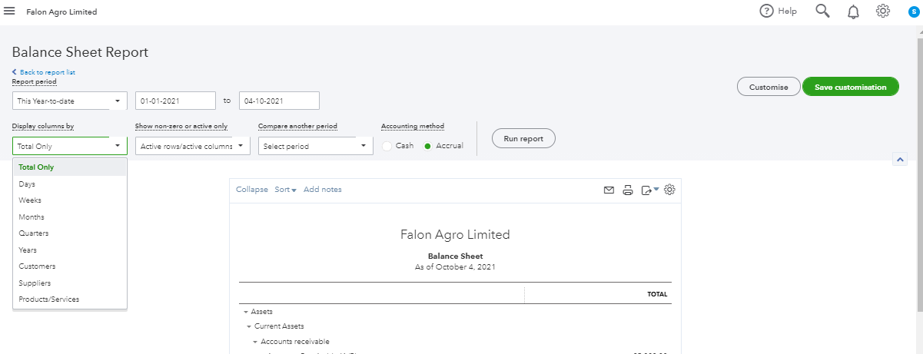

Full Balance Sheet View
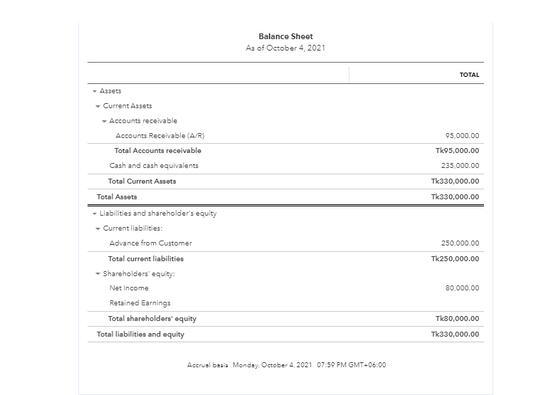

Monthly Balance Sheet View

Set-up
Serial | Menu Name | Content

1 | Group of Company Info | ID | Group of Company Name | Website
 |  | 1 | Bangladesh Police Kollayan Trust

2 | Company/ Sister Company Info | Sister Company ID | Company Name | Sister Company Name | Contact No | e-mail ID | Cash Limit | Address | Contact Person
 |  | 1001 | Bangladesh Police Kollayan Trust | Main Branch
 |  | 1002 | Bangladesh Police Kollayan Trust | Police Plaza Concord
 |  | 1003 | Bangladesh Police Kollayan Trust | BPKT Dew Drinking Water
 |  | 1004 | Bangladesh Police Kollayan Trust | BPKT Cloth
 |  | 1005 | Bangladesh Police Kollayan Trust | RF Police Plaza Chittagong
 |  | 1006 | Bangladesh Police Kollayan Trust | BPKT Security Services

3 | Branch Info | Branch ID | Company Name | Branch Name | Contact No | e-mail ID | Cash Limit | Address | Contact Person
 |  | 10001 | BPKT Security Services | Dhaka
 |  | 10002 | BPKT Security Services | Chittagong
 |  | 10003 | BPKT Security Services | Bogura
4 | Department Info | Dept. ID | Dept. Name

5 | Country Info | Country ID | Country Code | Country Name
 |  | 1 | Local 01 | Bangladesh
 |  | 2 | Foreign 02 | India
 |  |  | Foreign 03 | Australia
 |  |  | Foreign 04 | Canada
 |  |  | Foreign 05 | Singapore
 |  |  | Foreign 06 | Taiwan
 |  |  | Foreign 07 | USA
 |  |  | Foreign 08 | China

6 | Currency Info | Currency ID | Currency Code | Currency Name
 |  | 1 | BDT | Bangladeshi Taka
 |  | 2 | USD | United States Doller
 |  | 3 | EUR | Euro

7 | Designation Info | Designation ID | Designation Name | Grade
 |  | 1 | GM | 1
 |  | 2 | COO | 2
 |  | 3 | AGM | 3
 |  | 4 | Manager | 4
 |  | 5 | Asst. Manager | 5
 |  | 6 | Sr. Executive | 6
 |  | 7 | Executive | 7
 |  | 8 | Sr. Engineer | 8
 |  | 9 | Engineer | 9
 |  | 10 | PS | 10
 |  | 11 | PA | 11
 |  | 12 | LPA | 12

8 | Payment Method | Method ID | Method Name
 |  | 1 | Cash
 |  | 2 | Credit
 |  | 3 | Cheque
 |  | 4 | BEFTN
 |  | 5 | RTGS
 |  | 6 | Pay Order
 |  | 7 | DD

9 | Address Type | Address Type ID | Address Type
 |  | 1 | Present
 |  | 2 | Permanent

10 | Client Type | Group ID | Group | Client Type Name
 |  | 1 | None
 |  | 2 | Local
 |  | 3 | LC

11 | Item Type | Type ID | Type Name | Description
 |  | 5 | Electrical Equipment
 |  | 6 | Generator Equipment
 |  | 7 | Sub-Station Equipment
 |  | 8 | Office Equipment
 |  | 9 | CC Camera Equipment
 |  | 10 | Plumber Equipment

12 | Item Brand name | Brand ID | Brand Name | Description
 |  | 24 | None
 |  | 25 | Philips
 |  |  | Energy Pac
 |  |  | Sattar
 |  |  | Rahimafrooz
 |  |  | Osaka
 |  |  | China
 |  |  | Mira
 |  |  | Transtec
 |  |  | Trust
 |  |  | Super Star
 |  |  | Teer
 |  |  | BRB

13 | Item Group | Group ID | Group Name | Item Type
 |  | 55 | Led Bulb-5 watt | Electrical Equipment
 |  | 56 | Led Bulb-8 watt | Electrical Equipment
 |  | 57 | PVC Pipe | Electrical Equipment
 |  | 58 | Metal Bulb | Electrical Equipment

14 | Payment Terms | Term ID | Description
 |  | 1 | Payment will be made within 30 Days after receiving the Goods
 |  | 2 | 50% of total price will be made at the time purchase order
 |  | 3 | Total payment will be made at the time of Goods Receive

14 | Payment Type | Payment Type ID | Item Name
 |  | 1 | Vendor Payment
 |  | 2 | Internal Advance Payment
 |  | 3 | Internal Expense Payment
 |  | 4 | Inter-transfer
 |  | 5 | Source tax Payment
 |  | 6 | Source VAT Payment
 |  | 7 | Sales VAT Payment
 |  | 8 | Corporate Tax Payment
 |  | 9 | Advance Tax Payment
 |  | 10 | Others Payment

15 | Shipment Type | Type ID | Type Name
 |  | 1 | Partial Shipment
 |  | 2 | Full Shipment
 |  | 3 | Middle

16 | Shipping Method | Method ID | Method Name
 |  | 1 | By Road
 |  | 2 | By Sea
 |  | 3 | By Air
 |  | 4 | By Bus
 |  | 5 | By Train
 |  | 6 | None

17 | Item Condition | Item Condition ID | Description | Saleable
 |  | 1 | Good | Yes
 |  | 2 | Bad | Yes

18 | Unit Info | Unit Code | Unit Name | Short Name
 |  | 1 | Pices | Pcs
 |  | 2 | Liter | Ltr
 |  | 3 | Box | Box
 |  | 4 | Meter | Mtr
 |  | 5 | Pair | Pr

19 | Division Info | Division ID | Division Name
 |  | 1 | None
 |  | 2 | Khulna
 |  | 3 | Chittagong
 |  | 4 | Rajshahi
 |  | 5 | Barishal
 |  | 6 | Sylhet
 |  | 7 | Dhaka
 |  | 8 | Rangpur

20 | Region Info | Region ID | Region Name | Division Name
 |  | 1 | None | None
 |  | 2 | Narayangonj | Dhaka
 |  | 3 | Bandarban | Chittagong
 |  | 4 | Ponchogor | Rangpur
 |  | 5 | Bogura | Rajshahi
 |  | 6 | Mirpur | Dhaka

21 | Area Info | Area ID | Area Name | Region Name | Division Name
 |  | 1 | Mirpur-1 | Mirpur | Dhaka
 |  | 2
 |  | 3

22 | Sales Person Info | Person ID
 |  | Code
 |  | Employee ID
 |  | Name
 |  | Address
 |  | Phone
 |  | e-Mail ID
 |  | Sales Category | Drop down
 |  | Division | Drop down
 |  | Region | Drop down
 |  | Area | Drop down
 |  | Sales Target
 |  | Commission on Sales | Amount
 |  | Commission on Profit | Amount

23 | Sales Category Info | Sales Category ID | Sales category Code | Sales category name
 |  | 1 | None | None

24 | Bank Info | Bank ID
 |  | Code
 |  | Name
 |  | Address
 |  | Country ID
 |  | Phone No
 |  | Fax
 |  | e-Mail
 |  | Web
 |  | Swift Code

25 | Bank Branch Info | Bank Branch ID
 |  | Bank name
 |  | Name
 |  | Address
 |  | Contact Person
 |  | Country ID
 |  | Phone No
 |  | Fax
 |  | e-Mail
 |  | Web
 |  | Swift Code
 |  | Routing No
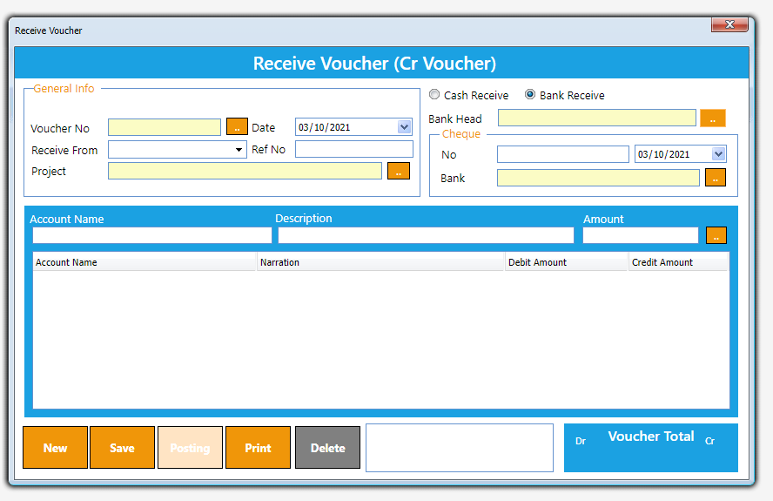
26 | Receive Voucher (Credit Voucher)

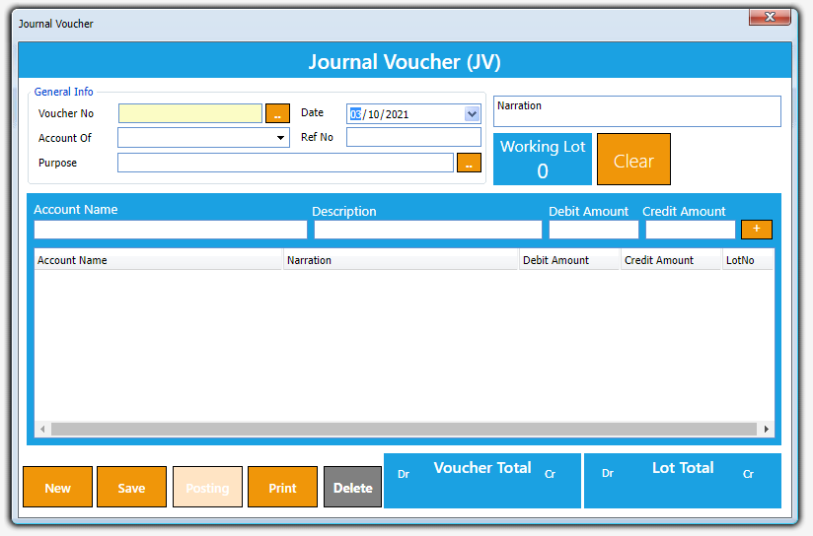
27 | Journal Voucher

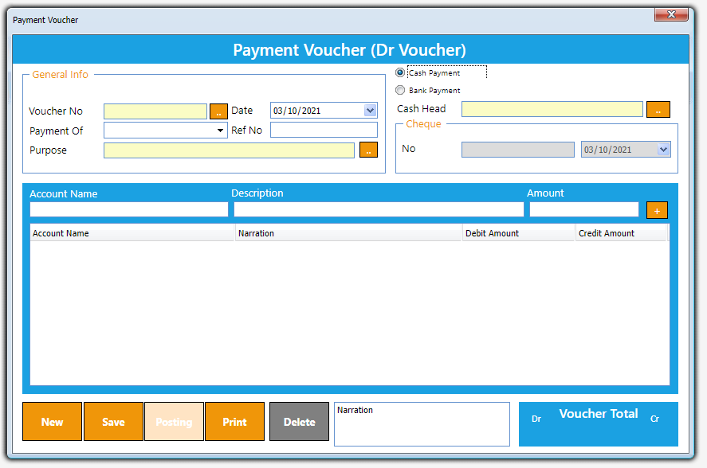
28 | Payment Voucher (debit voucher)

29 | Account Opening Balance
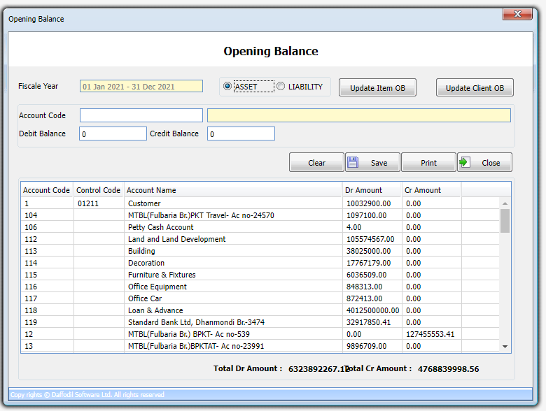

30 | Accounts Reports
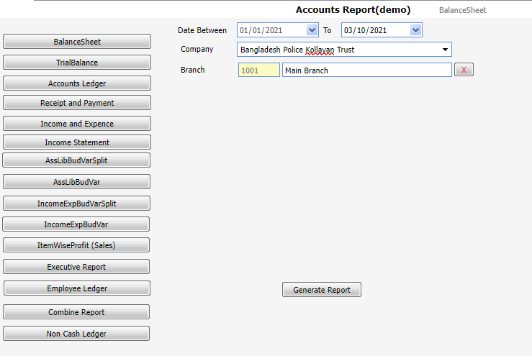

31 | Inventory Info
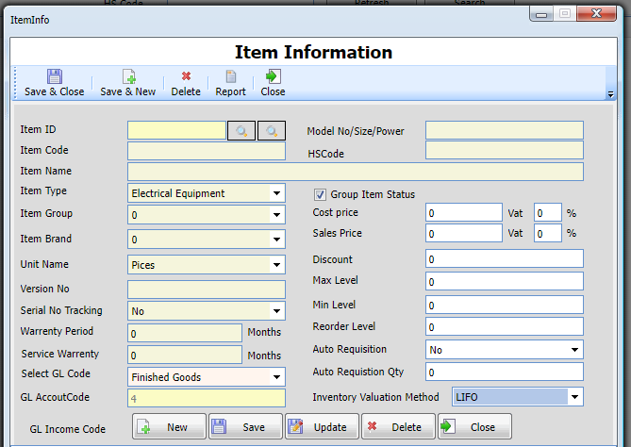

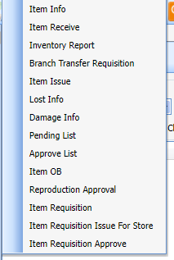
32 | Inventory Menu

33 | Inventory Receive

